da1
Buat Pivot Charts

Buatkan seperti gambar dibawah ini dari sheet Dataset ya!
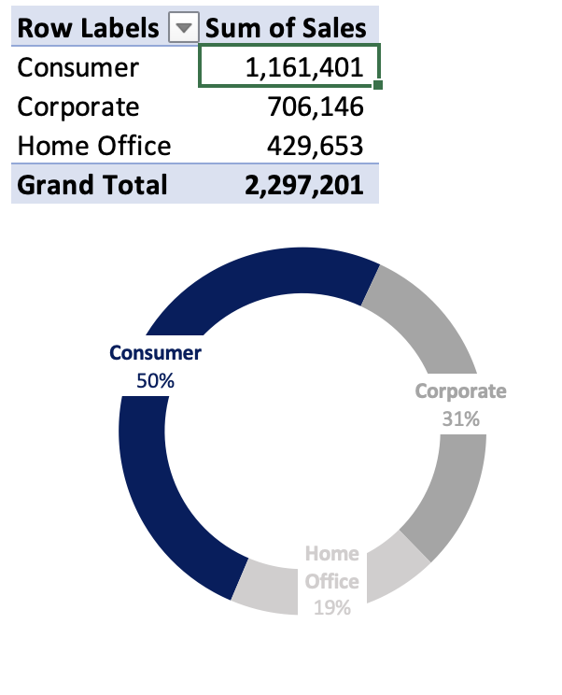

Answer!

da2
Buat Pivot Charts

Buatkan seperti gambar dibawah ini dari sheet Dataset ya!
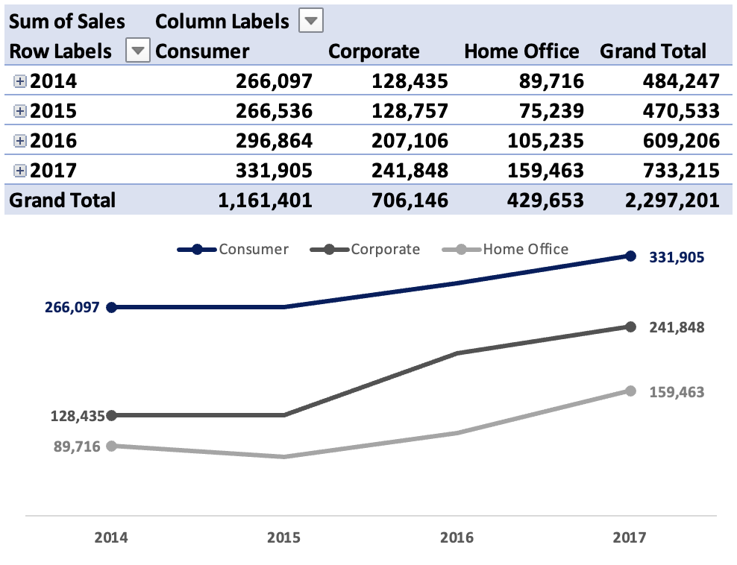

Answer!

da3
Tambah Filter Jadi Mini Dashboards

Buatkan seperti gambar dibawah ini dari sheet Dataset ya!

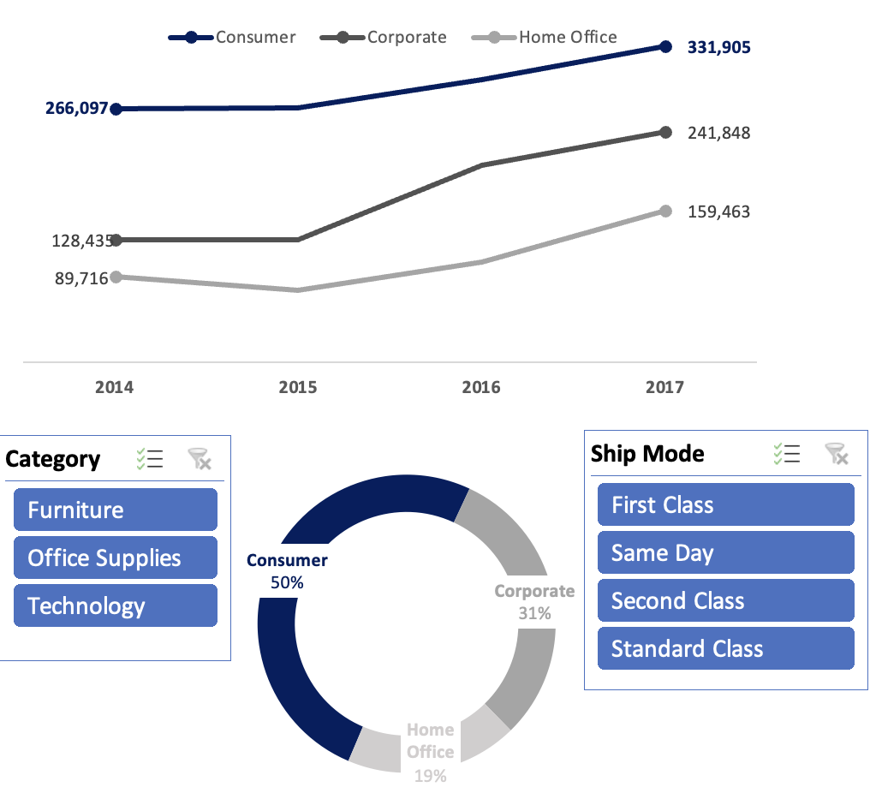

Answer!

